wjq
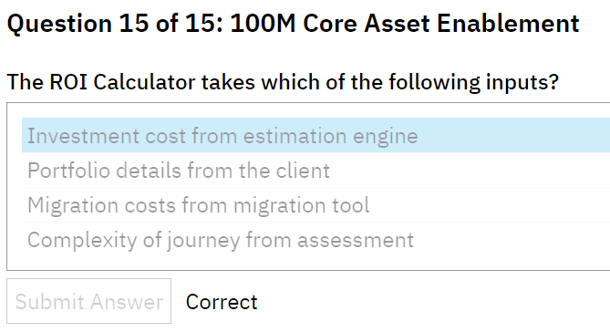
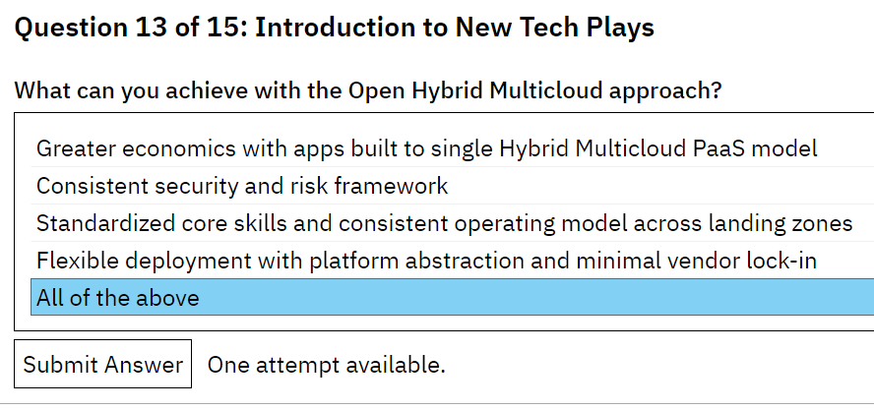
Question 1 of 15: NIMO
Which of the following journeys are included in NIMO? Select all that apply.
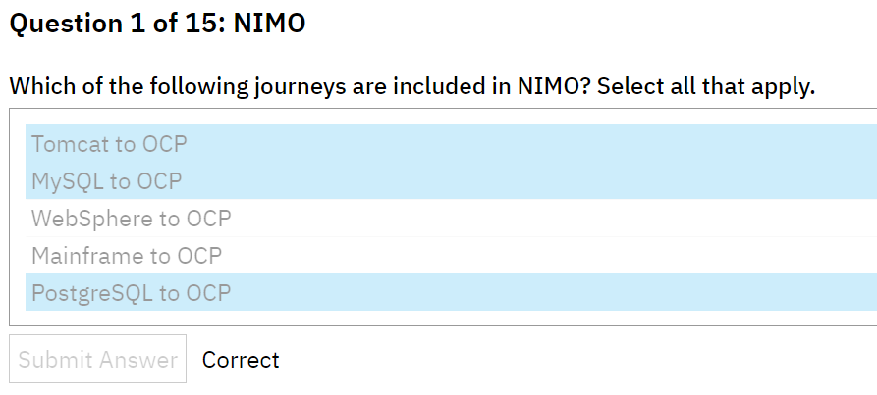

Question 2 of 15: NIMO
Clients can expect to see a 10% improvement in database development labor spending through which of the following?

Question 3 of 15: NIMO
NIMO is used only by Delivery teams to help deliver to clients with non-IBM middleware application servers.

Question 4 of 15: NIMO
Where can the solutioning team find estimation guidance for NIMO-based project engagements?

Question 5 of 15: NIMO
When modernizing non-IBM middleware and open-source workloads to OCP, how big a reduction can clients expect to see in operational cost in their IT profile?

Question 6 of 15: NIMO
How much of a reduction in application development labor can a client expect to see through the use of DevSecOps tools and accelerators while migrating app server workloads to OCP containerizations?

Question 7 of 15: NIMO
Migration of non-IBM Middleware workloads to a Red Hat OpenShift Container Platform provides which of the following benefits to the client? Select all that apply.

Question 8 of 15: NIMO
Which tools and assets are available to the Solutioning and Delivery teams that are working on non-IBM Middleware to OCP engagements?
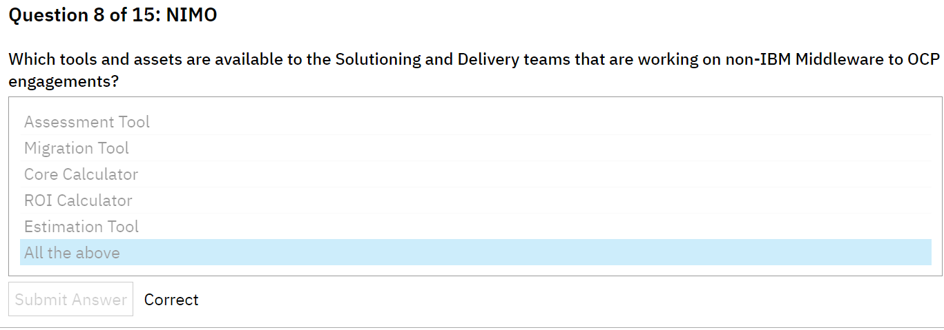

Question 9 of 15: NIMO
The Solution Guidance section of the NIMO playbook includes all architecture related artifacts that provide prescriptive guidance, architecture decisions, and additional information to help migrate applications to OCP.

Question 10 of 15: NIMO
During the Tomcat to OCP Journey the client will be required to make an investment during which years? Select all that apply.

Question 11 of 15: Introduction to New Tech Plays
State whether true or false: Most enterprise clients have more than one public cloud in their organization.

Question 12 of 15: Introduction to New Tech Plays
Which of these models unlocks the full value of Cloud?
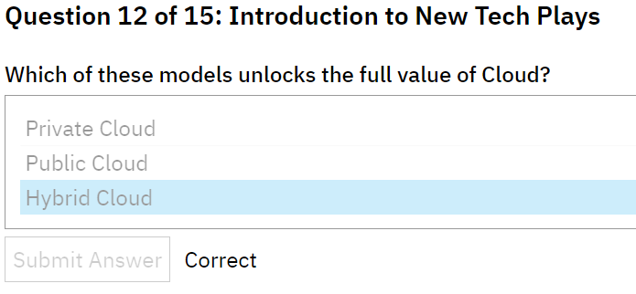

Question 13 of 15: Introduction to New Tech Plays
Which of these is not a Tech Play?
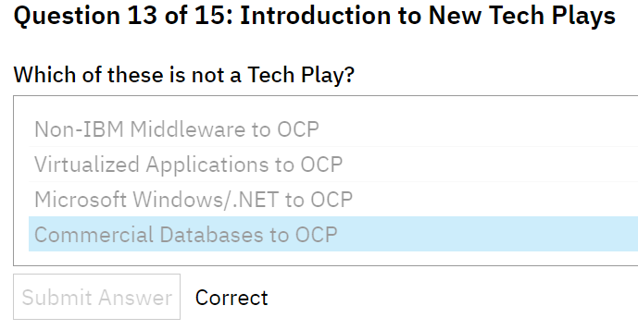

Question 14 of 15: 100M Core Asset Enablement
What are the inputs to the Cores Calculator?
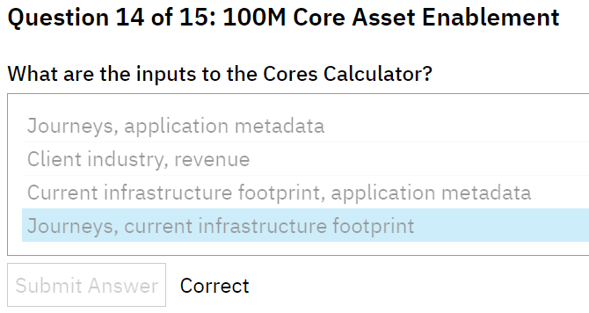

Question 15 of 15: 100M Core Asset Enablement
The ROI Calculator takes which of the following inputs?

a
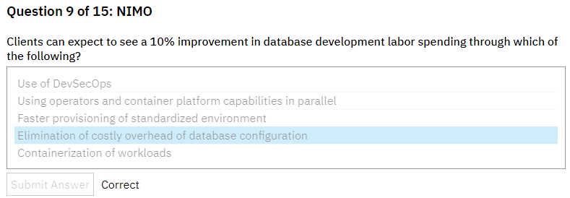

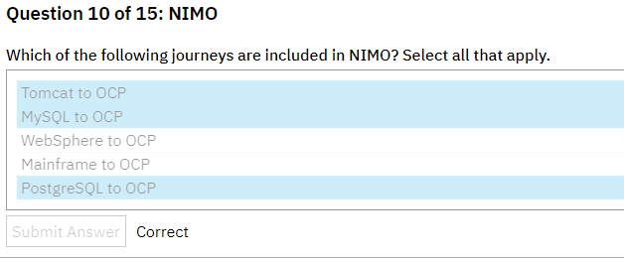

D 也是错的

b
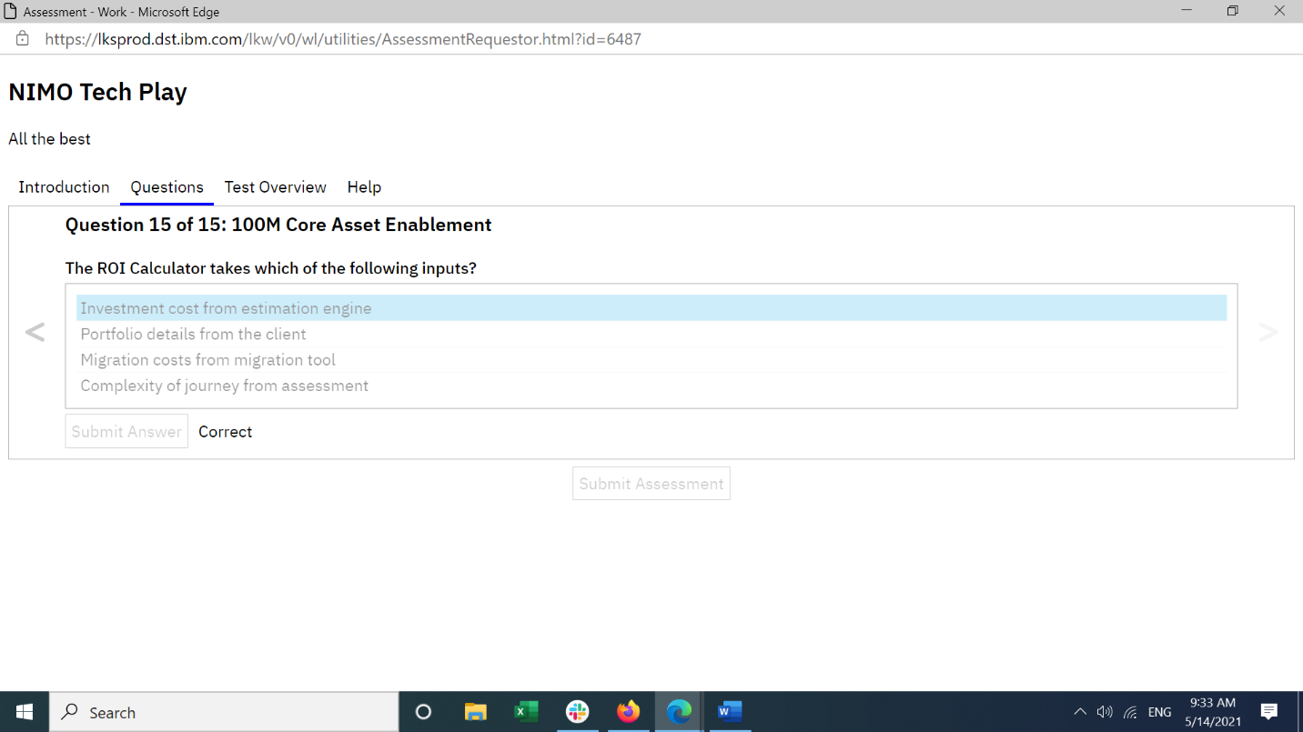
Which of the following statements are value propositions for NIMO?
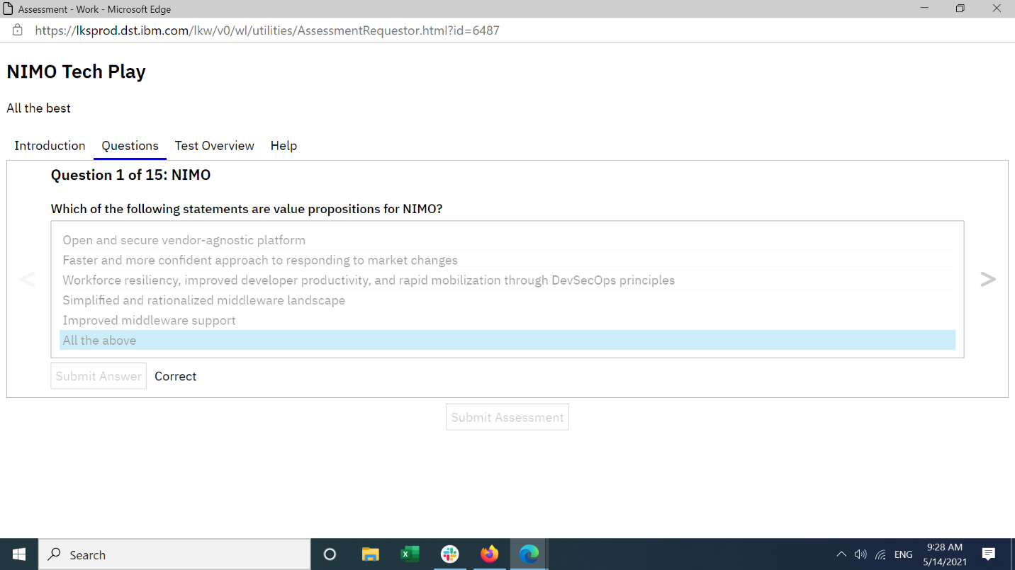

Where can the solutioning team find estimation guidance for NIMO-based project engagements?
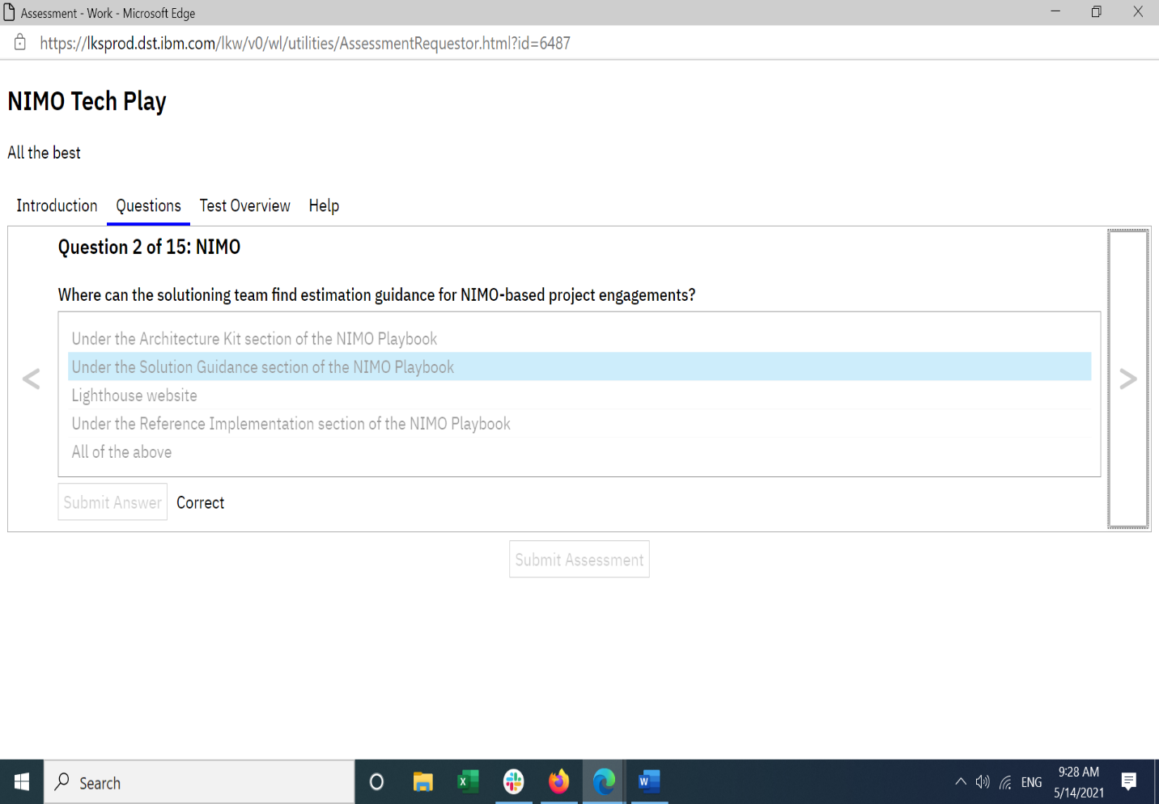

Which is not part of the NIMO offering?
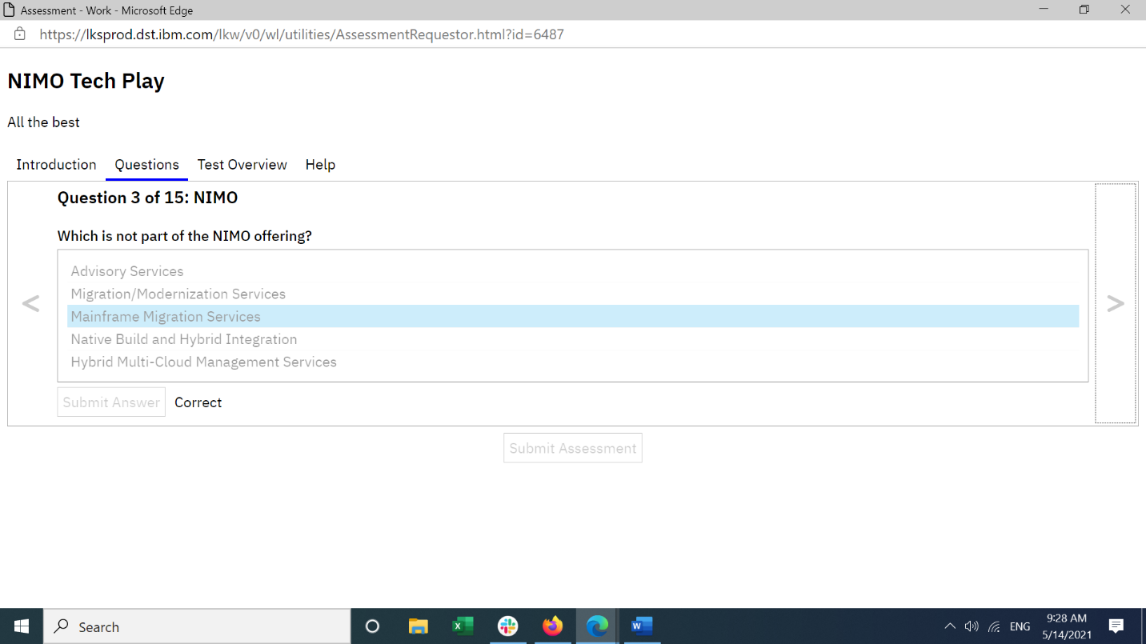

NIMO is used only by Delivery teams to help deliver to clients with non-IBM middleware application servers.
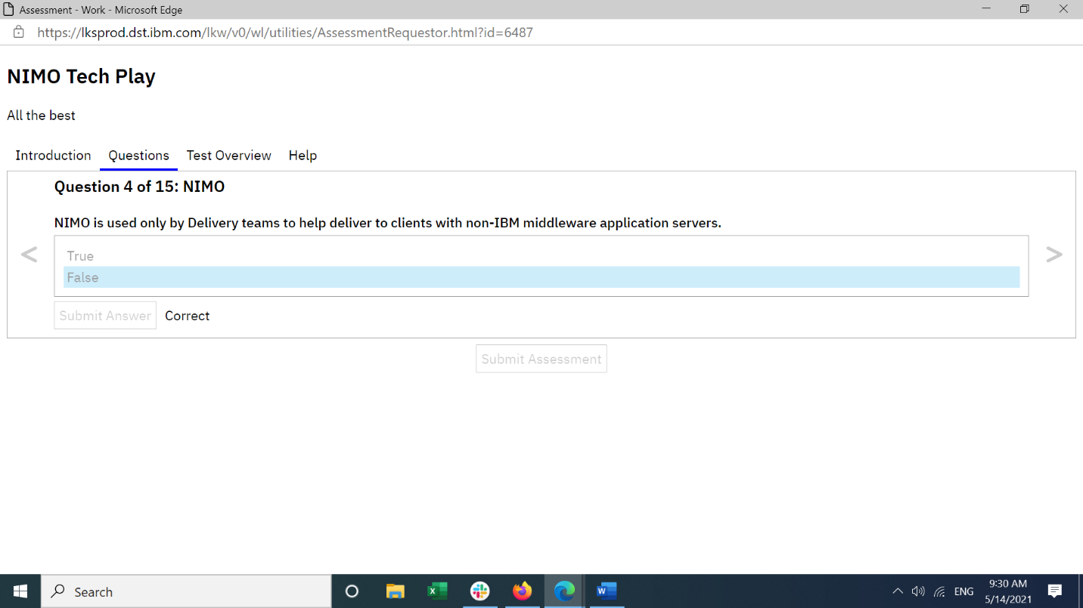

NIMO empowers clients to rapidly containerize their applications with OCP, while reducing TCO.


NIMO Database Server workload containerization to OCP supports which of the following database server migrations (current and future release of NIMO)? Select all that apply.
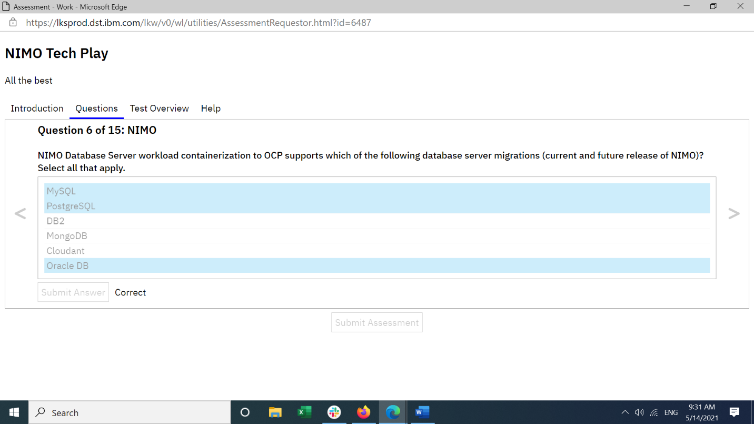

In general, how many years does it take before clients start seeing any benefits from modernizing their Tomcat application server workload to OCP?


Which tools and assets are available to the Solutioning and Delivery teams that are working on non-IBM Middleware to OCP engagements?


During the Tomcat to OCP Journey the client will be required to make an investment during which years? Select all that apply.
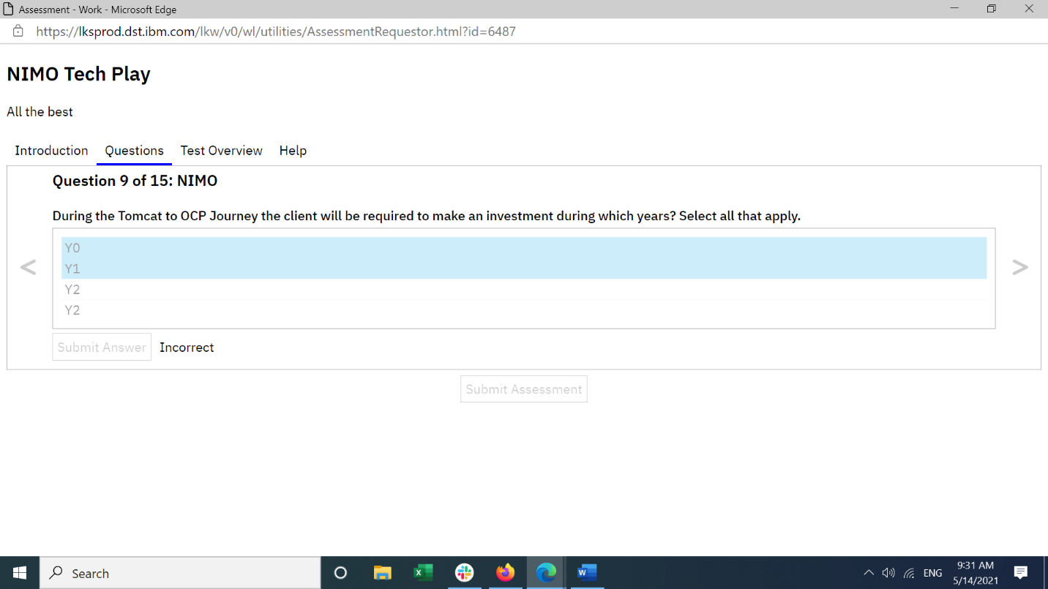

Who are the target clients for the NIMO Tech Play?
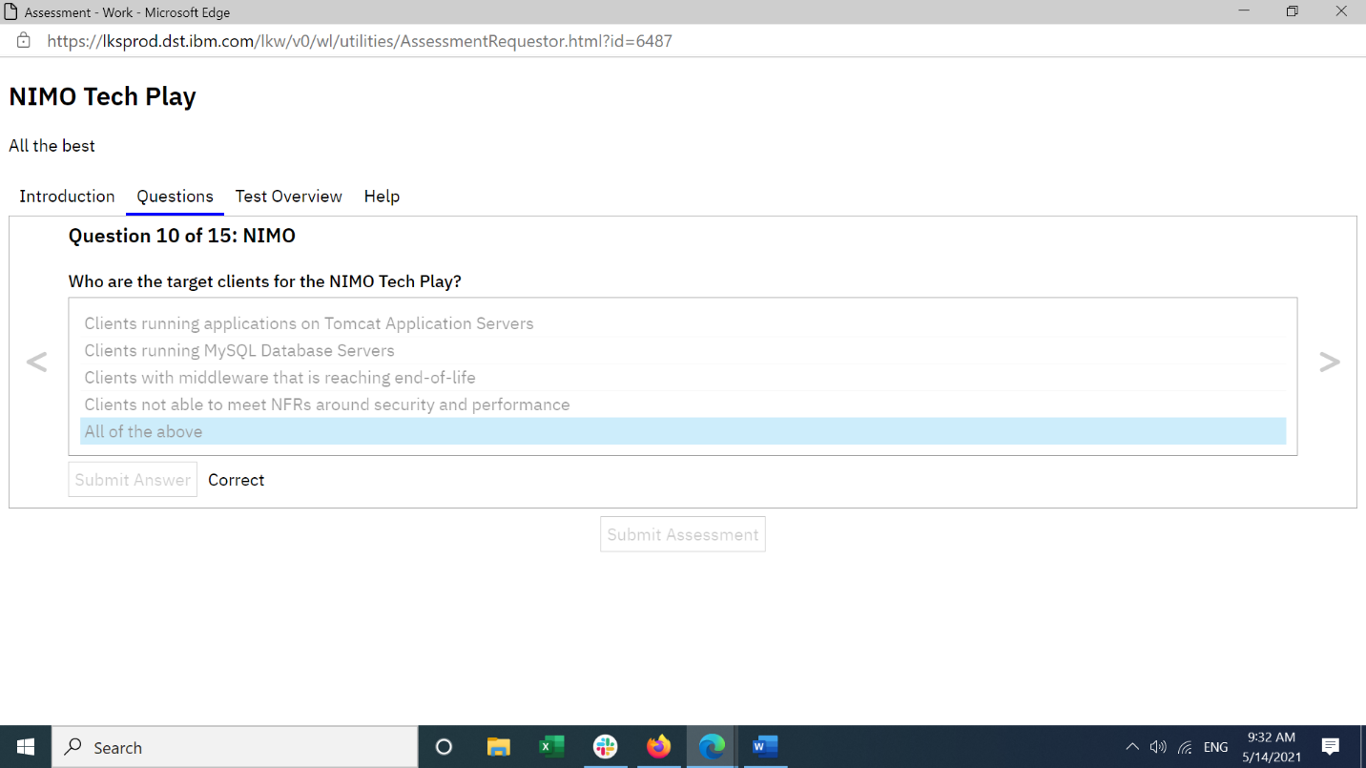

Which of these models unlocks the full value of Cloud?
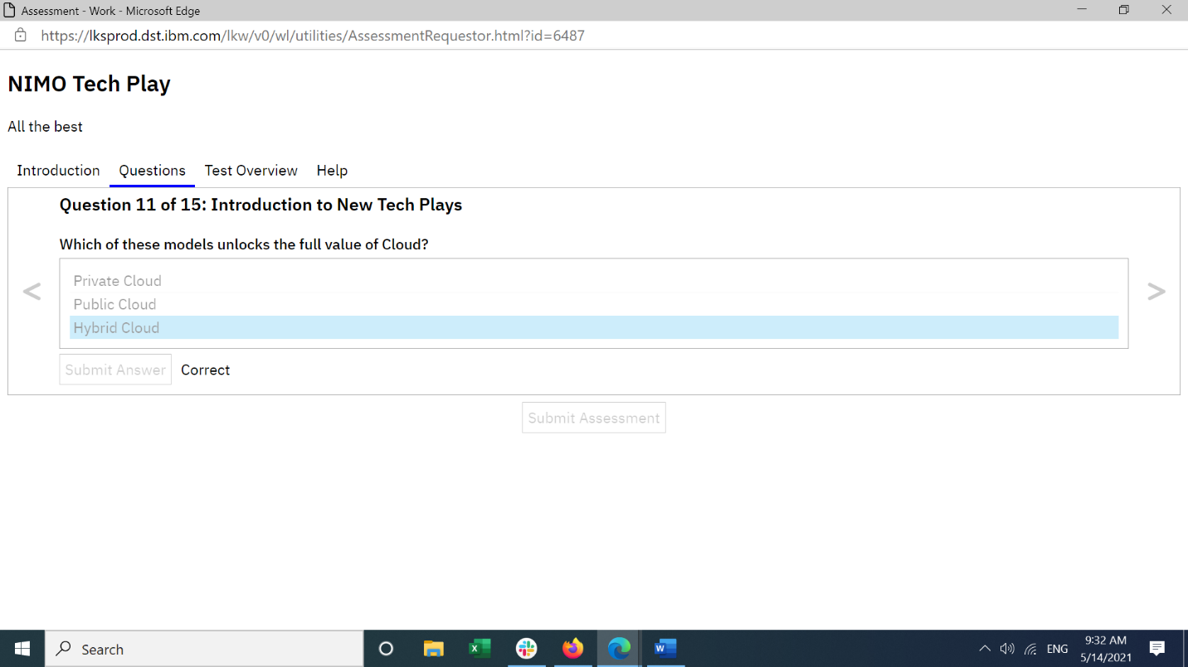

Which of these is not one of the Technical Assets?


Which of these dimensions does the client need help with, to execute their journey to Cloud effectively?
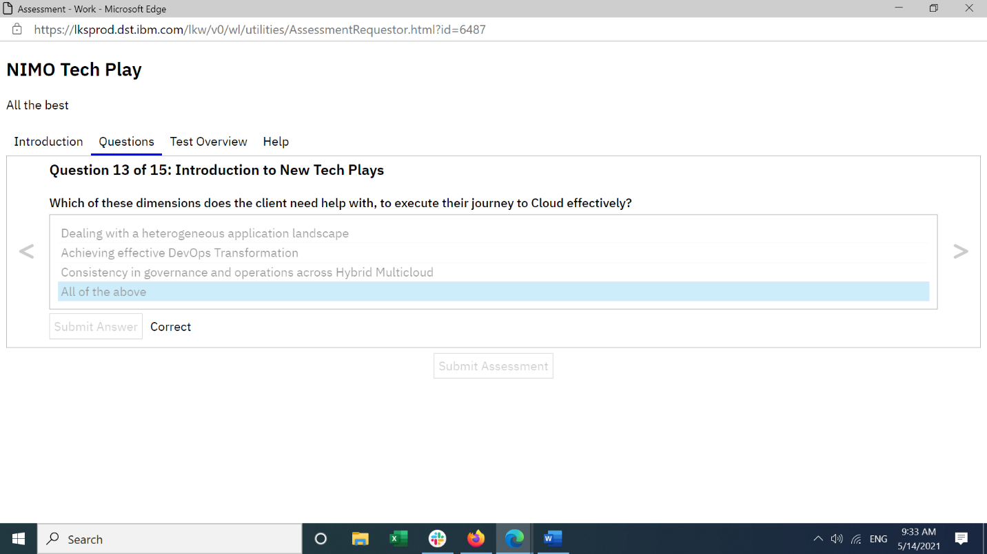

Which of the following are outputs from the Assessment Tool?


The ROI Calculator takes which of the following inputs?

